Foglio1
OFFER MAX MARA AND MAX&CO SUNGLASSES - TAKE ALL

BRAND | UPC CODE | PHOTOS | MODEL | COLOR | SIZE | TEMPLE | Q.TYS | WHS | RETAIL | WHLSE VALUE
Max Mara | 716736000992 |  | MM INGRID | 09Q70 | 49 | 140 | 143 | 108.40 € | 260.00 € | 15,501.20 €
Max Mara | 762753960986 |  | MM INGRID | 7C5KU | 49 | 140 | 131 | 108.40 € | 260.00 € | 14,200.40 €
Max Mara | 762753960993 | 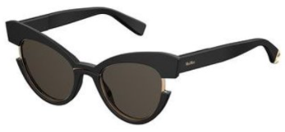 | MM INGRID | 807/IR | 49 | 140 | 22 | 108.40 € | 260.00 € | 2,384.80 €
Max Mara | 762753960870 | 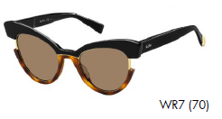 | MM INGRID | WR770 | 49 | 140 | 1 | 108.40 € | 260.00 € | 108.40 €
Max Mara | 762753964205 | 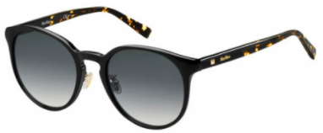 | MM COSY/ FS | 8079O | 53 | 149V | 71 | 64.50 € | 155.00 € | 4,579.50 €
Max Mara | 762753964571 |  | MM COSY/FS | FWMJL | 53 | 140v | 28 | 64.50 € | 155.00 € | 1,806.00 €
Max Mara | 762753961051 | 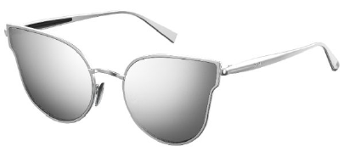 | MM ILDE III | 9RQT4 | 57 | 140 | 1 | 95.90 € | 230.00 € | 95.90 €
 |  |  |  |  |  |  | 397 |  |  | 38,676.20 €

BRAND | UPC CODE | PHOTOS | MODEL | COLOR | SIZE | TEMPLE | Q.TYS | WHS | RETAIL | WHLSE VALUE
Max&Co | 762753983411 |  | MAX&CO 348/S | JTGJO | 49 | 145 | 45 | 52.10 € | 125.00 € | 2,344.50 €
Max&Co | 762753983657 |  | MAX&CO 348/S | 2PIHA | 49 | 145 | 45 | 52.10 € | 125.00 € | 2,344.50 €
Max&Co | 762753983664 | 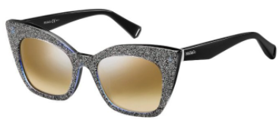 | MAX&CO 348/S | 6W2NQ | 49 | 145 | 26 | 52.10 € | 125.00 € | 1,354.60 €
Max&Co | 762753983237 | 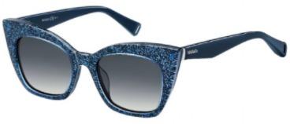 | MAX&CO 348/S | JOO9O | 49 | 145 | 6 | 52.10 € | 125.00 € | 312.60 €
Max&Co | 762753983442 | 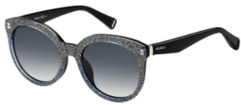 | MAX&CO 349/S | 6W29O | 53 | 145 | 3 | 52.10 € | 125.00 € | 156.30 €
Max&Co | 762753983466 | 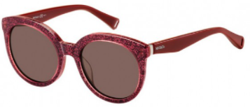 | MAX&CO 349/S | CEN70 | 53 | 145 | 28 | 52.10 € | 125.00 € | 1,458.80 €
Max&Co | 762753983497 |  | MAX&CO 349/S | JOO9O | 53 | 145 | 15 | 52.10 € | 125.00 € | 781.50 €
Max&Co | 762753983886 | 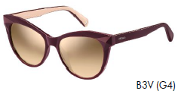 | MAX&CO 352/S | B3VG4 | 53 | 145 | 1 | 52.10 € | 125.00 € | 52.10 €
Max&Co | 762753982681 | 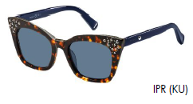 | MAX&CO 355/S | IPRKU | 49 | 145 | 1 | 58.40 € | 140.00 € | 58.40 €
Max&Co | 762753982667 | 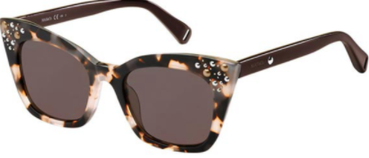 | MAX&CO 355/S | HT8K2 | 49 | 145 | 256 | 58.40 € | 140.00 € | 14,950.40 €
Max&Co | 762753982469 |  | MAX&CO 356/S | PJPKU | 49 | 145 | 4 | 54.20 € | 130.00 € | 216.80 €
Max&Co | 762753982445 | 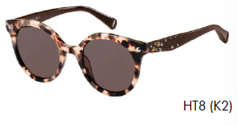 | MAX&CO 356/S | HT8K2 | 49 | 145 | 2 | 54.20 € | 130.00 € | 108.40 €
Max&Co | 762753982315 | 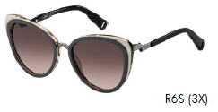 | MAX&CO 359/S | R6S3X | 54 | 140 | 86 | 58.40 € | 140.00 € | 5,022.40 €
Max&Co | 762753982230 | 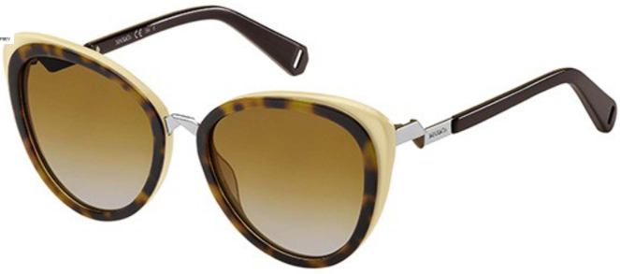 | MAX&CO 359/S | 9N481 | 54 | 140 | 18 | 58.40 € | 140.00 € | 1,051.20 €
TOTAL |  |  |  |  |  |  | 536 |  |  | 30,212.50 €

TOTAL AMOUNT |  |  |  |  |  |  | 933 |  |  | 68,888.70 €

